HMI + Engineering
Kendall has the next size up. Its $400 more. The enclosure would need to be cut out larger. We have room to offset it and only have to cut two sides.

Existing 4.84 x 6.15 inches VS New 5.59 x 7.24 inches

2711P-T7C21D8S $2,043.092
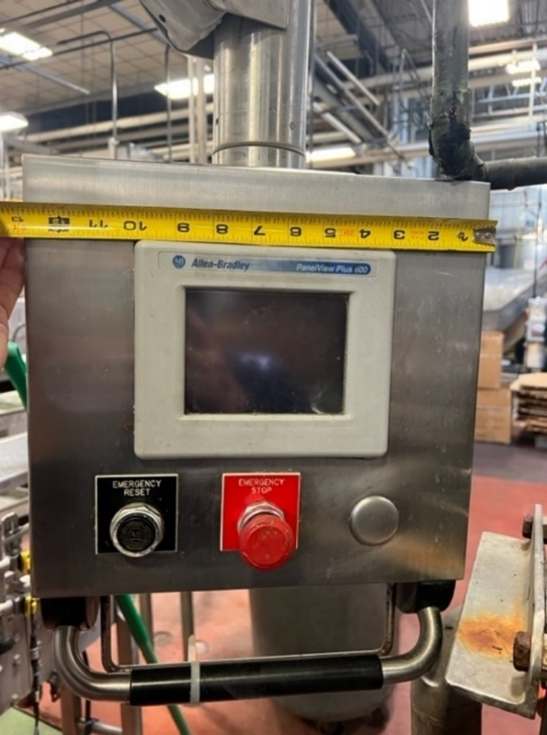
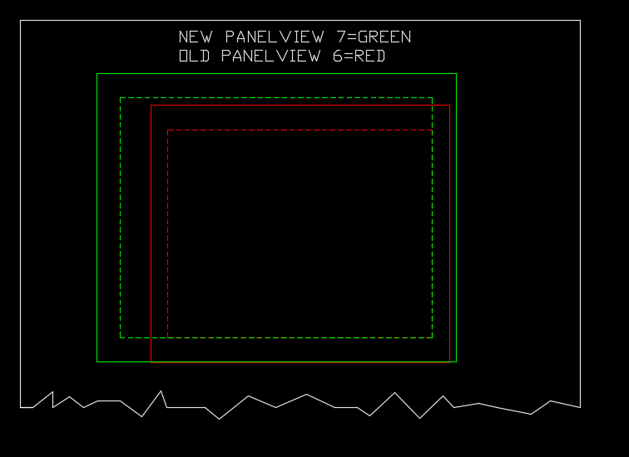

Engineering - Project Details

Programming
1. Depal – No programming. Manual data collection
2. Filler – Build HMI bottle counting screen
3. Filler – Program PLC counter display with 10 day history
4. Labeler – Program PLC counter
5. Traymaker – Program PLC counter
6. Conveyor – Read PLC counts from Labeler
7. Conveyor – Read counts from Traymaker
8. Conveyor – Send Labeler and Traymaker data to Filler

Counting Location:
1. Depalletizer – Collect counts manually from pallet tags
2. Filler – Bottles filled from star wheel sensor | infeed or outfeed?
3. Capper – Bottles at discharge using conveyor sensor
4. Cooling Tunnel – Bottles at entrance using conveyor sensor
5. Labeler – Bottles labeled using glue sensor
6. Traymaker = Cases produced at discharge sensor but converted to bottle counts based on 6pk vs 12pk recipe

Additional notes:
Counts will be collected live and stored at 4am.
Counts past 8 days will be lost.
Counts will be displayed in # of bottles produced at each location.
On days with no production, Sat or Sun, a count of 0 will be collected.
There is currently no plans to incorporate this data in to the Tableau system.

